Sheet1
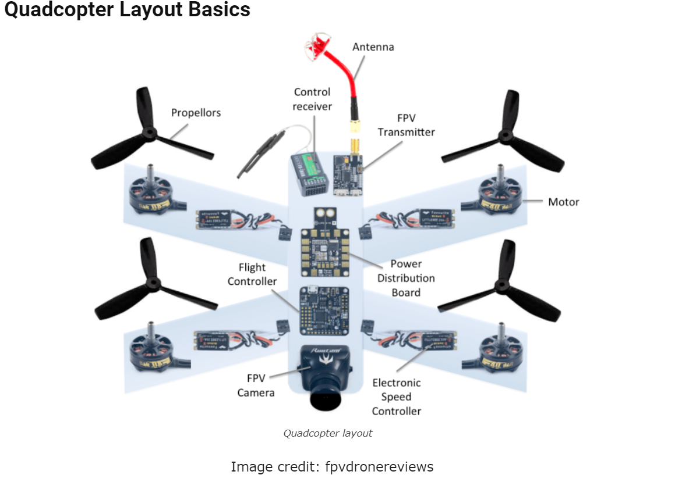
 | Team LMS
No | Component |  | Pictures | Unit | Price/1
1 | Propellors | 1047 |  | 8=1 | $5.45 |  | $5.45
2 | Motor | XXD A2212 1000kV |  | 4 | $3.40 | $6.95 | $13.60
3 | Electronic speed controller |  |  | 4 | $3.50 |  | $14.00
4 | Power distribution Board | PDB-xt60 |  | 1 | $3.47 |  | $3.47
5 | NRF24L01+PA+LNA |  |  | 2 | $4.36 |  | $8.72
6 | Wirelessd Transceiver |  |  | 2 | $- |  | $-
7 | ESP32 |  |  | 2 | $8.00 |  | $16.00
8 | Joystick Analogue | For PS4 |  | 2 | $0.71 |  | $1.42
9 | Toggle Switch |  |  | 10 | $1.95 |  | $19.50
10 | Servo |  |  | 4 | $6.34 |  | $25.36
11 | MotorDriver(for Car) |  |  | 1 | $3.00 |  | $3.00
12 | MPU6050(Balance Sensor) |  |  | 1 | $1.61 |  | $1.61
13 | battery (drone) |  |  | 1 | $30.00 |  | $30.00
14 | Case's PowerX6 |  |  | 1 | $3.00 |  | $3.00
15 | Rocker Switch(10*15mm) |  |  | 1 | $1.00 |  | $1.00
16 | Tact Button(6*6*7) |  |  | 6 | $1.00 |  | $6.00
17 | Ressistor Variable |  |  | 2 | $1.00 |  | $2.00
18 | Motor for car |  |  | 4 | $5.00 |  | $20.00
19 | Wirelessd adapter NRF24L01 |  |  | 2 | 0.6 |  | $174.13

